매크로 실행
1. 자동화 검증 결과 | 2. 사양 필터링 | 3. 송부본 만들기
사양 제외하기
송부용으로 만들기
(원본은 와이클라우드에 유지해주세요)
자동화 기본검증

자동화 풀검증
 | 사양 선택
 | DCM_연동_SBCM X

 | 사양구분
 | CAN사양_CAN
 | CAN사양_CANFD
 | 모션감지_지원
 | OTA_HU기반
 | OTA_CCU기반
 | 주차녹화 전원_보조배터리
 | 주차녹화 전원_eAGM
 | 주차녹화 전원_LFP
 | 주차녹화 전원_eAGM_PLBM
 | 주차녹화 전원_MLBM
 | 퍼포먼스_지원
 | 주차녹화_지원
 | 주차녹화_미지원
 | 주차충격 알림_지원
 | 3세대
 | DCM_연동
 | DCM_연동_SBCM X

매크로 사용법
1. 매크로 기능 활성화
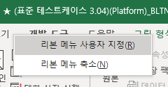

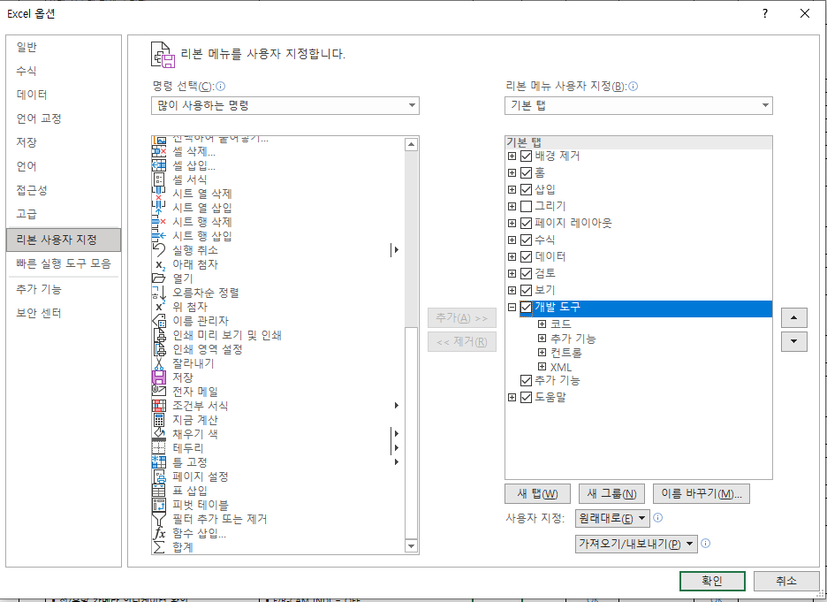

2. 매크로 기능 사용하기



3. 매크로 함수 수정
송부용으로 만들기 : 송부본 만들 시 사용되는 각 함수 포함
표지에있는매크로버튼 : 송부용_만들기 / 선택한사양_제외하기 / 자동화_풀검증 / 자동화_기본 검증
※ [송부용으로 만들기] 모듈에서 함수 추가 시에는 [표지에있는매크로버튼] 모듈에서 [송부용_만들기] 함수에서 Call 명령어로 함수 불러와야함

